Title Screen EA
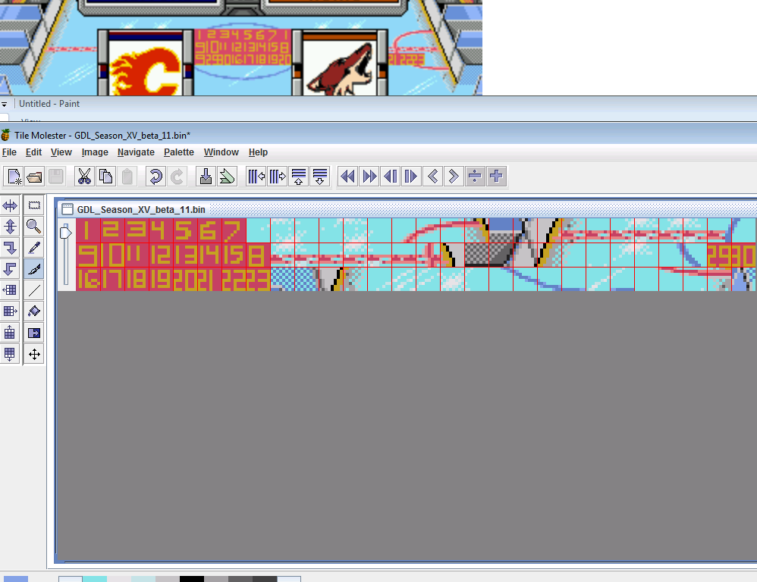
offset | 4BDEA | Pallete | 694476
28x3 tiles

First 7
 | Tile 1 repeats, 1&8
Next row of 7
 | Tile 1 repeats, 1 and one below

